Selection
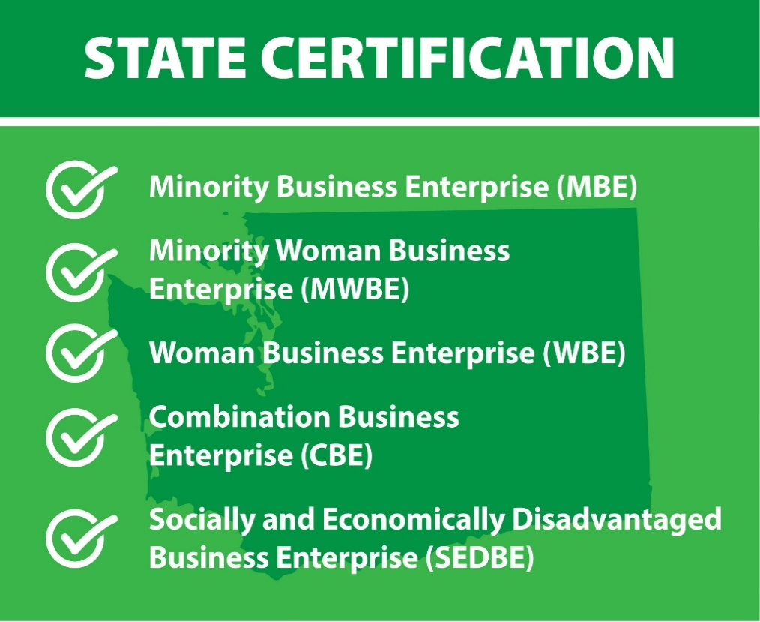
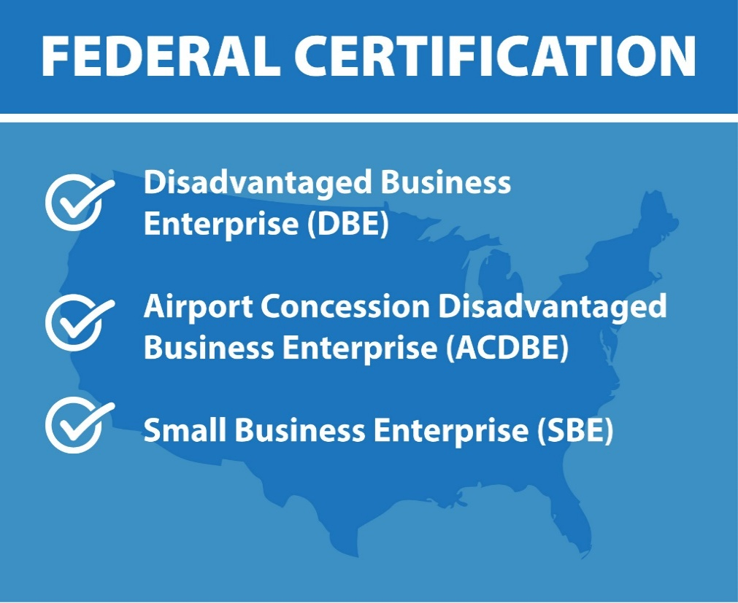

omw

The total number of newly state certified businesses for March is 45 | The total number of newly federal certified businesses for March is 24

