Selection
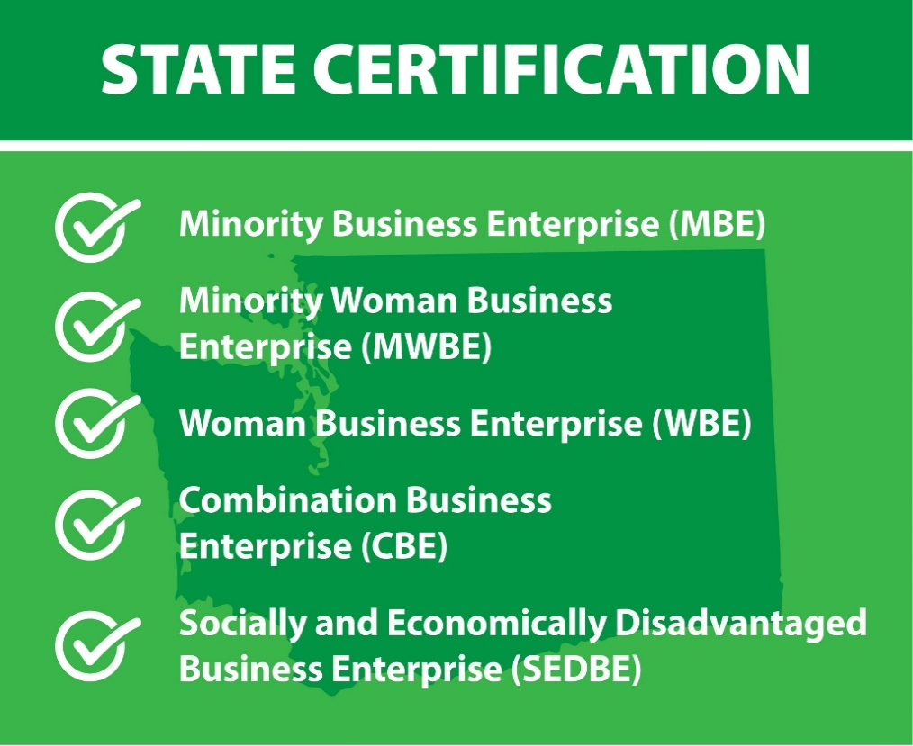
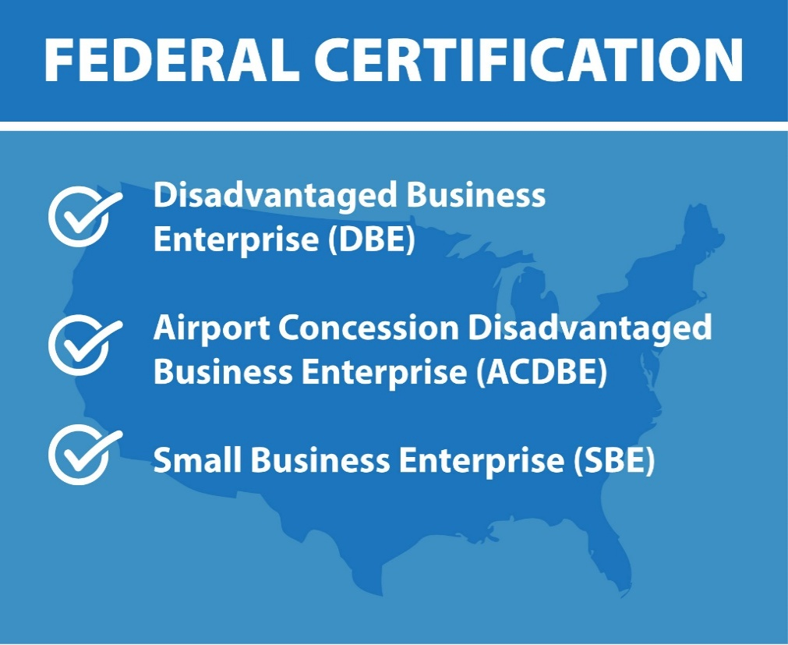

omw

The total number of newly state certified businesses for January is 39 | The total number of newly federal certified businesses for January is 8

