All Schools
All schools list

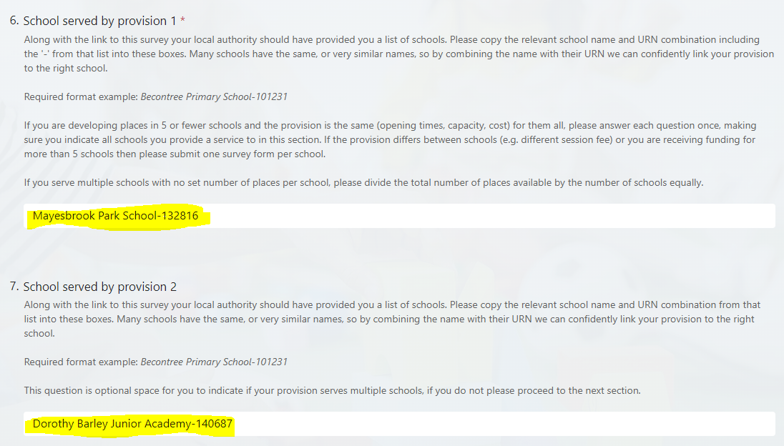
FILTER FOR YOUR LOCAL AUTHORITY IN COLUMN D |  | Example of what this would look like in the survey for a provider who serves 2 schools:
In order link your provision back to the school(s) served, please copy the combined school name and URN from column B into the 'schools served' questions on the survey. Many schools have the same, or very similar names, so by combining the name with their URNs we can confidently link your provision to the right schools. If you are developing places in 5 or fewer schools and the provision is the same (opening times, capacity, cost) for them all, answer each question once, and make sure you indicate all schools you provide a service to. If the provision differs between schools (e.g. different session fee) or you are receiving funding for more than 5 schools then please submit one survey form per school.

ALL SCHOOLS LIST | ⬇ FILTER ⬇
School Name and URN (USE THIS COLUMN IN THE SURVEY) | Local Authority
Mayesbrook Park School-132816 | Barking and Dagenham
Dorothy Barley Junior Academy-140687 | Barking and Dagenham
Thames View Junior School-141651 | Barking and Dagenham
Eastbury Primary School-142699 | Barking and Dagenham
Riverside Primary School-142133 | Barking and Dagenham
Thames View Infants-138684 | Barking and Dagenham
The James Cambell Primary School-144280 | Barking and Dagenham
St Margarets CofE Primary School-144035 | Barking and Dagenham
St Joseph's Catholic Primary School-147328 | Barking and Dagenham
St Joseph's Catholic Primary School-147329 | Barking and Dagenham
The St Teresa Catholic Primary School-147330 | Barking and Dagenham
St Vincent's Catholic Primary School-148289 | Barking and Dagenham
Dorothy Barley Infants' School-101188 | Barking and Dagenham
Manor Junior School-101192 | Barking and Dagenham
Manor Primary School-101193 | Barking and Dagenham
Northbury Primary School-101196 | Barking and Dagenham
Ripple Primary School-101198 | Barking and Dagenham
Beam Primary School-101202 | Barking and Dagenham
Furze Infant School-101203 | Barking and Dagenham
Grafton Primary School-101206 | Barking and Dagenham
Marsh Green Primary School-101211 | Barking and Dagenham
Rush Green Primary School-101212 | Barking and Dagenham
The Leys Primary School-101216 | Barking and Dagenham
Warren Junior School-101219 | Barking and Dagenham
Thomas Arnold Primary School, Rowdowns Road-101220 | Barking and Dagenham
Valence Primary School-101222 | Barking and Dagenham
Village Infants' School-101223 | Barking and Dagenham
Rose Lane Primary School-101224 | Barking and Dagenham
William Bellamy Primary School-101226 | Barking and Dagenham
Parsloes Primary School-101227 | Barking and Dagenham
Five Elms Primary School-101228 | Barking and Dagenham
Henry Green Primary School-101229 | Barking and Dagenham
Roding Primary School-101230 | Barking and Dagenham
Becontree Primary School-101231 | Barking and Dagenham
John Perry Primary School-101232 | Barking and Dagenham
Richard Alibon Primary School with ARP for Cognitive and Learning Difficulties : SEN Base-130357 | Barking and Dagenham
Monteagle Primary School-130340 | Barking and Dagenham
Godwin Primary School-130919 | Barking and Dagenham
Hunters Hall Primary School-131844 | Barking and Dagenham
Southwood Primary School-131845 | Barking and Dagenham
Gascoigne Primary School-131775 | Barking and Dagenham
William Ford CofE Junior School-101234 | Barking and Dagenham
St Peter's Catholic Primary School-101237 | Barking and Dagenham
George Carey Church of England Primary School-136431 | Barking and Dagenham
Goresbrook School-140962 | Barking and Dagenham
The Sydney Russell School-141683 | Barking and Dagenham
Eastbrook School-101243 | Barking and Dagenham
Eastbury Community School-101244 | Barking and Dagenham
Robert Clack School-101245 | Barking and Dagenham
Riverside Bridge School-142134 | Barking and Dagenham
Pathways School-147189 | Barking and Dagenham
Trinity School-131102 | Barking and Dagenham
Pavilion Study Centre-101255 | Barnet
Menorah Primary School for Girls-101341 | Barnet
Etz Chaim Jewish Primary School-136938 | Barnet
Rimon Jewish Primary School-138272 | Barnet
Childs Hill Primary School-147706 | Barnet
Deansbrook Junior School-139489 | Barnet
Alma Primary-139562 | Barnet
Parkfield Primary School-139633 | Barnet
Sacks Morasha Jewish Primary School-146662 | Barnet
The Hyde School-139817 | Barnet
Millbrook Park Primary School-140601 | Barnet
Watling Park School-142114 | Barnet
Ashmole Primary School-142772 | Barnet
Summerside Primary Academy-144653 | Barnet
Independent Jewish Day School-137303 | Barnet
Broadfields Primary School-140236 | Barnet
Claremont Primary School-142636 | Barnet
Barnfield Primary School-101258 | Barnet
Bell Lane Primary School-101259 | Barnet
Brookland Junior School-101262 | Barnet
Brookland Infant and Nursery School-101263 | Barnet
Brunswick Park Primary and Nursery School-101264 | Barnet
Church Hill School-101266 | Barnet
Colindale Primary School-101269 | Barnet
Coppetts Wood Primary School-101270 | Barnet
Courtland School-101271 | Barnet
Cromer Road Primary School-101272 | Barnet
Deansbrook Infant School-101274 | Barnet
Dollis Primary School-101275 | Barnet
Edgware Primary School-101277 | Barnet
Fairway Primary School and Children's Centre-101278 | Barnet
Foulds School-101279 | Barnet
Frith Manor Primary School-101280 | Barnet
Garden Suburb Junior School-101281 | Barnet
Garden Suburb Infant School-101282 | Barnet
Goldbeaters Primary School-101283 | Barnet
Hollickwood Primary School-101285 | Barnet
Holly Park Primary School-101286 | Barnet
Livingstone Primary and Nursery School-101289 | Barnet
Manorside Primary School-101290 | Barnet
Monkfrith Primary School-101293 | Barnet
Moss Hall Junior School-101294 | Barnet
Moss Hall Infant School-101295 | Barnet
Northside Primary School-101296 | Barnet
Shalom Noam Primary School-146803 | Barnet
Woodridge Primary School-101298 | Barnet
Tudor Primary School-101299 | Barnet
Underhill School-101301 | Barnet
Whitings Hill Primary School-101304 | Barnet
Menorah Primary School for Boys-150274 | Barnet
Chalgrove Primary School-101309 | Barnet
Sunnyfields Primary School-101311 | Barnet
Queenswell Infant & Nursery School-101312 | Barnet
Queenswell Junior School-101313 | Barnet
Danegrove Primary School-101314 | Barnet
Wessex Gardens Primary School-131617 | Barnet
The Orion Primary School-131970 | Barnet
Pardes House Primary School-133364 | Barnet
Beis Yaakov Primary School-133365 | Barnet
All Saints' CofE Primary School NW2-101315 | Barnet
Christ Church Primary School-101316 | Barnet
Holy Trinity CofE Primary School-101317 | Barnet
Monken Hadley CofE Primary School-101318 | Barnet
St John's CofE Junior Mixed and Infant School-101319 | Barnet
St John's CofE Primary and Nursery School-101321 | Barnet
St Mary's CofE Primary School-101323 | Barnet
St Mary's CofE Primary School, East Barnet-101324 | Barnet
St Paul's CofE Primary School N11-101325 | Barnet
St Paul's CofE Primary School NW7-101326 | Barnet
St Andrew's CofE Voluntary Aided Primary School, Totteridge-101327 | Barnet
Trent CofE Primary School-101328 | Barnet
All Saints' CofE Primary School N20-101329 | Barnet
The Annunciation Catholic Infant School-101330 | Barnet
Our Lady of Lourdes RC School-101331 | Barnet
St Agnes' Catholic Primary School-101332 | Barnet
St Catherine's RC School-101333 | Barnet
St Vincent's Catholic Primary School-101334 | Barnet
St Theresa's Catholic Primary School-101335 | Barnet
St Joseph's Catholic Primary School-101337 | Barnet
Sacred Heart Roman Catholic Primary School-101338 | Barnet
Blessed Dominic Catholic Primary School-101339 | Barnet
Rosh Pinah Primary School-101340 | Barnet
The Annunciation RC Junior School-101342 | Barnet
Hasmonean Primary School-130998 | Barnet
Woodcroft Primary School-134677 | Barnet
Akiva School-135086 | Barnet
Martin Primary School-135226 | Barnet
...

